Figure 1
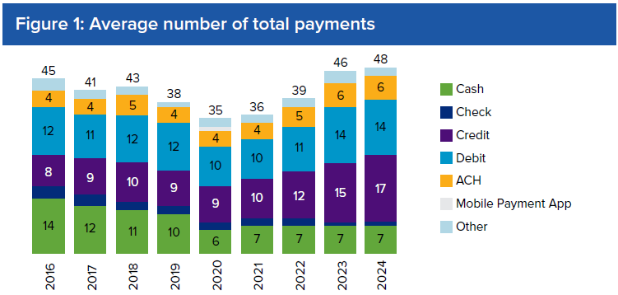
Total Payments
 | Cash | Check | Credit | Debit | ACH | Mobile App | Other | Total
2016 | 14 | 3 | 8 | 12 | 4 | 0 | 3 | 45
2017 | 12 | 3 | 9 | 11 | 4 | 0 | 2 | 41
2018 | 11 | 2 | 10 | 12 | 5 | 0 | 2 | 43
2019 | 10 | 2 | 9 | 12 | 4 | 0 | 1 | 38
2020 | 6 | 2 | 9 | 10 | 4 | 1 | 2 | 35
2021 | 7 | 2 | 10 | 10 | 4 | 0 | 2 | 36
2022 | 7 | 2 | 12 | 11 | 5 | 0 | 2 | 39
2023 | 7 | 1 | 15 | 14 | 6 | 0 | 3 | 46
2024 | 7 | 1 | 17 | 14 | 6 | 0 | 2 | 48

Figure 2
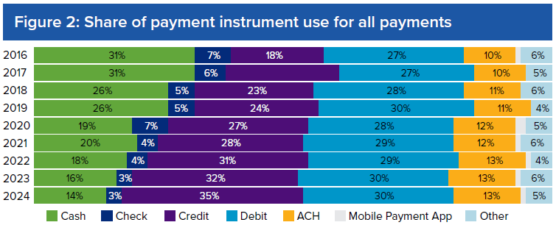
 | Cash | Check | Credit | Debit | ACH | Mobile Payment App | Other | Total
2016 | 31% | 7% | 18% | 27% | 10% | 1% | 6% | 100.0%
2017 | 31% | 6% | 22% | 27% | 10% | 0% | 5% | 100.0%
2018 | 26% | 5% | 23% | 28% | 11% | 0% | 6% | 100.0%
2019 | 26% | 5% | 24% | 30% | 11% | 0% | 4% | 100.0%
2020 | 19% | 7% | 27% | 28% | 12% | 3% | 5% | 100.0%
2021 | 20% | 4% | 28% | 29% | 12% | 1% | 6% | 100.0%
2022 | 18% | 4% | 31% | 29% | 13% | 1% | 4% | 100.0%
2023 | 16% | 3% | 32% | 30% | 13% | 1% | 6% | 100.0%
2024 | 14% | 3% | 35% | 30% | 13% | 1% | 5% | 100.0%

Figure 3
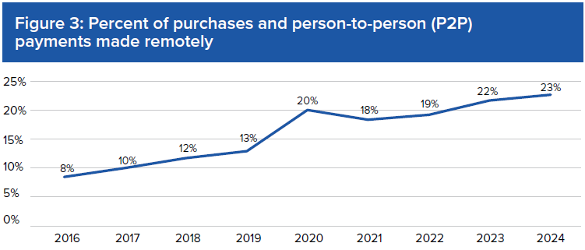
 | In-person purchases and P2P payments | Online and remote purchases and P2P payments
2016 | 92% | 8%
2017 | 90% | 10%
2018 | 88% | 12%
2019 | 87% | 13%
2020 | 80% | 20%
2021 | 82% | 18%
2022 | 81% | 19%
2023 | 78% | 22%
2024 | 77% | 23%

Figure 4
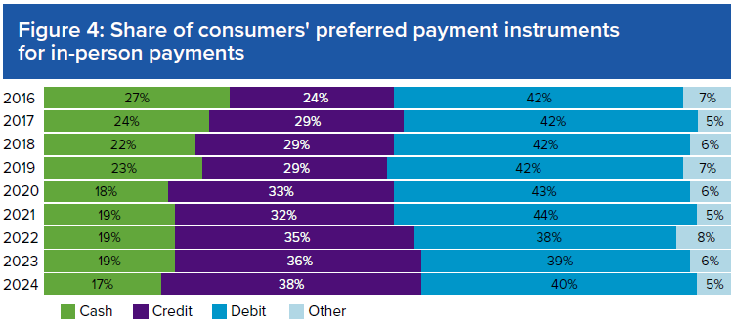
 | Cash | Credit | Debit | Other
2016 | 27% | 24% | 42% | 7%
2017 | 24% | 29% | 42% | 5%
2018 | 22% | 29% | 42% | 6%
2019 | 23% | 29% | 42% | 7%
2020 | 18% | 33% | 43% | 6%
2021 | 19% | 32% | 44% | 5%
2022 | 19% | 35% | 38% | 8%
2023 | 19% | 36% | 39% | 6%
2024 | 17% | 38% | 40% | 5%

Figure 5
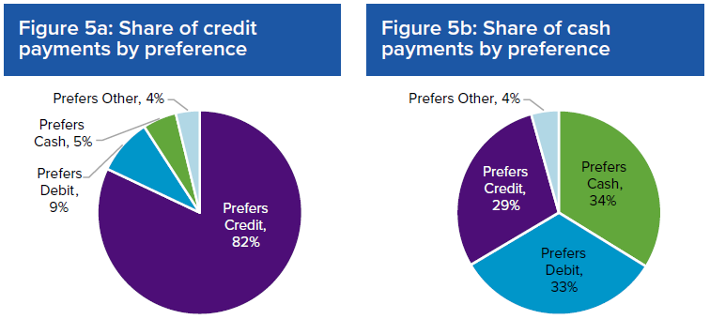
 | Credit
Prefers Credit | 82%
Prefer Debit | 9%
Prefers Cash | 5%
Other | 4%

 | Cash
Prefers Cash | 34%
Prefer Debit | 33%
Prefers Credit | 29%
Other | 4%

Figure 6
 |  | Cash
 |  | Grocery and convenience stores | Gas stations | Sit-down restaurants and bars | Fast food and coffee shops | General Merchandise | Cash | Grocery and convenience stores | Gas stations | Sit-down restaurants and bars | Fast food and coffee shops | General Merchandise | Debit | Grocery and convenience stores | Gas stations | Sit-down restaurants and bars | Fast food and coffee shops | General Merchandise | Credit
 | 2017 | 2.1 | 1.5 | 0.8 | 2.6 | 1.3 | 8.3 | 2.7 | 1.4 | 0.8 | 1.6 | 1.6 | 8.1 | 1.9 | 1.0 | 0.9 | 1.1 | 1.4 | 6.3
 | 2018 | 2.0 | 1.4 | 0.8 | 2.5 | 1.1 | 7.9 | 2.7 | 1.4 | 0.7 | 1.8 | 1.9 | 8.4 | 1.9 | 1.1 | 0.9 | 1.3 | 1.6 | 6.9
 | 2019 | 2.1 | 1.2 | 0.8 | 2.0 | 1.0 | 7.2 | 2.7 | 1.4 | 0.8 | 1.8 | 1.4 | 8.0 | 1.7 | 1.1 | 0.9 | 1.2 | 1.5 | 6.5
 | 2020 | 1.3 | 0.7 | 0.4 | 1.1 | 0.7 | 4.2 | 2.3 | 1.1 | 0.4 | 1.7 | 1.2 | 6.6 | 2.0 | 1.0 | 0.6 | 1.1 | 1.4 | 6.2
 | 2021 | 1.3 | 0.7 | 0.6 | 1.3 | 0.7 | 4.6 | 2.4 | 1.1 | 0.5 | 1.4 | 1.2 | 6.6 | 2.1 | 1.1 | 0.9 | 1.3 | 1.4 | 6.8
 | 2022 | 1.3 | 0.8 | 0.6 | 1.3 | 0.7 | 4.8 | 2.7 | 1.3 | 0.7 | 1.6 | 1.4 | 7.7 | 2.4 | 1.2 | 1.2 | 1.6 | 1.6 | 7.9
 | 2023 | 1.5 | 0.7 | 0.6 | 1.4 | 0.7 | 4.9 | 3.2 | 1.7 | 0.6 | 1.9 | 1.6 | 9.0 | 2.8 | 1.4 | 1.1 | 1.9 | 1.9 | 9.2
 | 2024 | 1.4 | 0.7 | 0.5 | 1.4 | 0.6 | 4.6 | 3.2 | 1.4 | 0.7 | 1.9 | 1.6 | 8.8 | 3.4 | 1.5 | 1.3 | 2.1 | 1.9 | 10.2

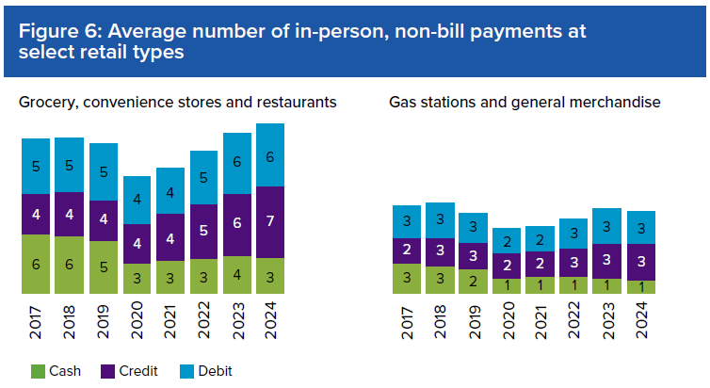
 |  | Cash | Credit | Debit
Grocery, convenience stores and restaurants | 2017 | 6 | 4 | 5
 | 2018 | 5 | 4 | 5
 | 2019 | 5 | 4 | 5
 | 2020 | 3 | 4 | 4
 | 2021 | 3 | 4 | 4
 | 2022 | 3 | 5 | 5
 | 2023 | 4 | 6 | 6
 | 2024 | 3 | 7 | 6
Gas stations and general merchandise | 2017 | 3 | 2 | 3
 | 2018 | 3 | 3 | 3
 | 2019 | 2 | 3 | 3
 | 2020 | 1 | 2 | 2
 | 2021 | 1 | 2 | 2
 | 2022 | 1 | 3 | 3
 | 2023 | 1 | 3 | 3
 | 2024 | 1 | 3 | 3

Figure 7
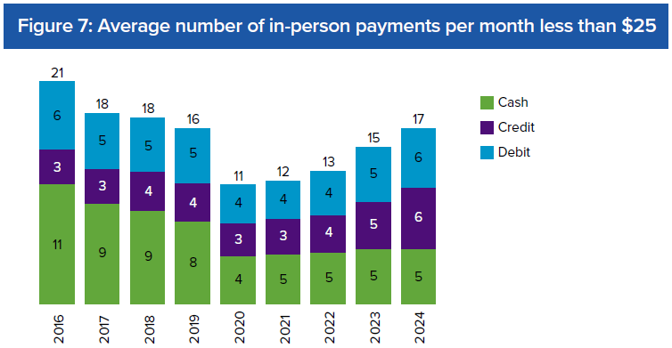
Under $25 | Cash | Credit | Debit | Total
2016 | 11 | 3 | 6 | 21
2017 | 9 | 3 | 5 | 18
2018 | 9 | 4 | 5 | 18
2019 | 8 | 4 | 5 | 16
2020 | 4 | 3 | 4 | 11
2021 | 5 | 3 | 4 | 12
2022 | 5 | 4 | 4 | 13
2023 | 5 | 5 | 5 | 15
2024 | 5 | 6 | 6 | 17

Figure 8
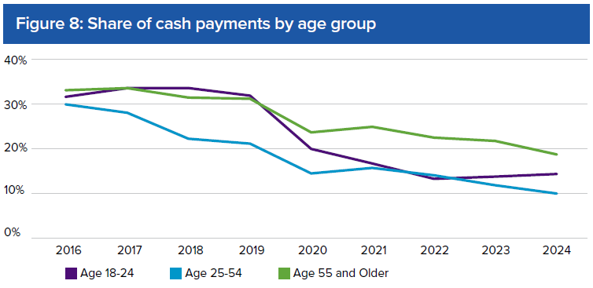
 | 18 - 24 | 25 - 54 | 55 and older
2016 | 32% | 30% | 33%
2017 | 34% | 28% | 34%
2018 | 34% | 22% | 32%
2019 | 33% | 21% | 32%
2020 | 20% | 15% | 24%
2021 | 17% | 16% | 25%
2022 | 13% | 14% | 23%
2023 | 13% | 11% | 22%
2024 | 14% | 10% | 19%

Figure 9
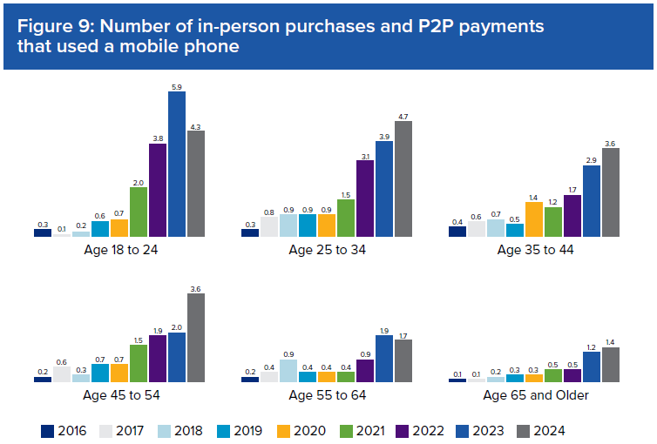
Average number of payments using a mobile phone per person
Year | Age 18 to 24 | Age 25 to 34 | Age 35 to 44 | Age 45 to 54 | Age 55 to 64 | Age 65 and Older | Total
2016 | 0.3 | 0.3 | 0.4 | 0.2 | 0.2 | 0.1 | 0.2
2017 | 0.1 | 0.8 | 0.6 | 0.6 | 0.4 | 0.1 | 0.5
2018 | 0.2 | 0.9 | 0.7 | 0.3 | 0.9 | 0.2 | 0.6
2019 | 0.6 | 0.9 | 0.5 | 0.7 | 0.4 | 0.3 | 0.6
2020 | 0.7 | 0.9 | 1.4 | 0.7 | 0.4 | 0.3 | 0.7
2021 | 2.0 | 1.5 | 1.2 | 1.5 | 0.4 | 0.5 | 1.1
2022 | 3.8 | 3.1 | 1.7 | 1.9 | 0.9 | 0.5 | 1.8
2023 | 5.9 | 3.9 | 2.9 | 2.0 | 1.9 | 1.2 | 2.6
2024 | 4.3 | 4.7 | 3.6 | 3.6 | 1.7 | 1.4 | 3.1

Figure 11
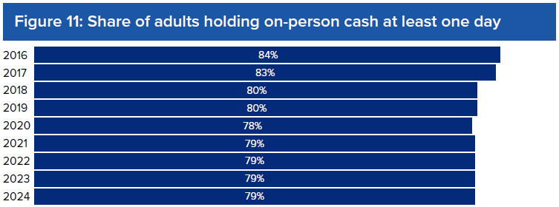
 | Share of adults holding on-person cash at least one day
2016 | 84%
2017 | 83%
2018 | 80%
2019 | 80%
2020 | 78%
2021 | 79%
2022 | 79%
2023 | 79%
2024 | 79%

Figure 12
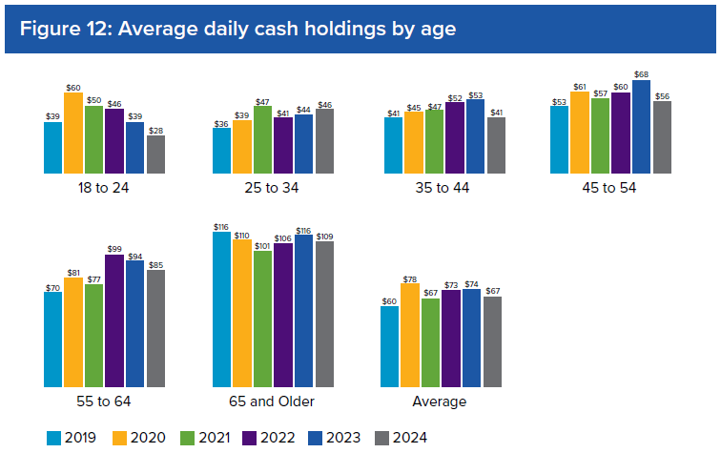
 | 18 to 24 | 25 to 34 | 35 to 44 | 45 to 54 | 55 to 64 | 65 and Older | Average
2016 | $25 | $38 | $50 | $55 | $74 | $95 | $57
2017 | $22 | $40 | $45 | $54 | $74 | $93 | $59
2018 | $23 | $35 | $48 | $69 | $66 | $101 | $58
2019 | $39 | $36 | $41 | $53 | $70 | $116 | $60
2020 | $60 | $39 | $45 | $61 | $81 | $110 | $78
2021 | $50 | $47 | $47 | $57 | $77 | $101 | $67
2022 | $46 | $41 | $52 | $60 | $99 | $106 | $73
2023 | $39 | $44 | $53 | $68 | $94 | $116 | $74
2024 | $28 | $46 | $41 | $56 | $85 | $109 | $67

Figure 13
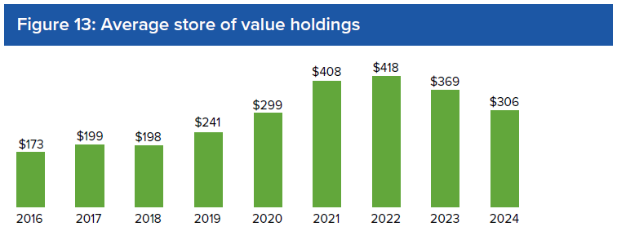
 | Store of Value Holdings
2016 | $173
2017 | $199
2018 | $198
2019 | $241
2020 | $299
2021 | $408
2022 | $418
2023 | $369
2024 | $306

Figure 14
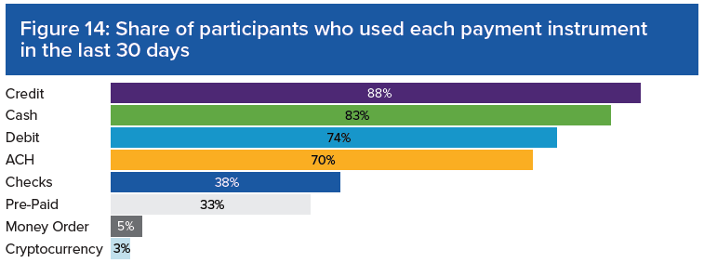
 | Share of Participants who used this PI in the last 30 days
Cryptocurrency | 3%
Money Order | 5%
Pre-paid | 33%
Checks | 38%
ACH | 70%
Debit | 74%
Cash | 83%
Credit | 88%

Figure 15
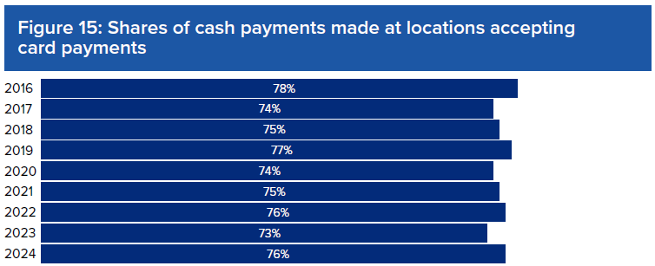
 | No | Yes | I don't know
2016 | 14% | 78% | 8%
2017 | 17% | 74% | 9%
2018 | 16% | 75% | 9%
2019 | 15% | 77% | 8%
2020 | 17% | 74% | 9%
2021 | 17% | 75% | 8%
2022 | 16% | 76% | 7%
2023 | 18% | 73% | 9%
2024 | 17% | 76% | 7%

Figure 16
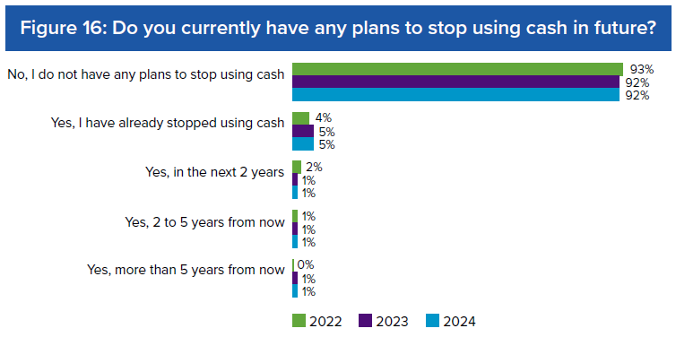
Do you currently have any plans to stop using cash in future? | No, I do not have any plans to stop using cash | Yes, I have already stopped using cash | Yes, in the next 2 years | Yes, 2 to 5 years from now | Yes, more than 5 years from now
2022 | 93% | 4% | 2% | 1% | 0%
2023 | 92% | 5% | 1% | 1% | 1%
2024 | 92% | 5% | 1% | 1% | 1%

